Title
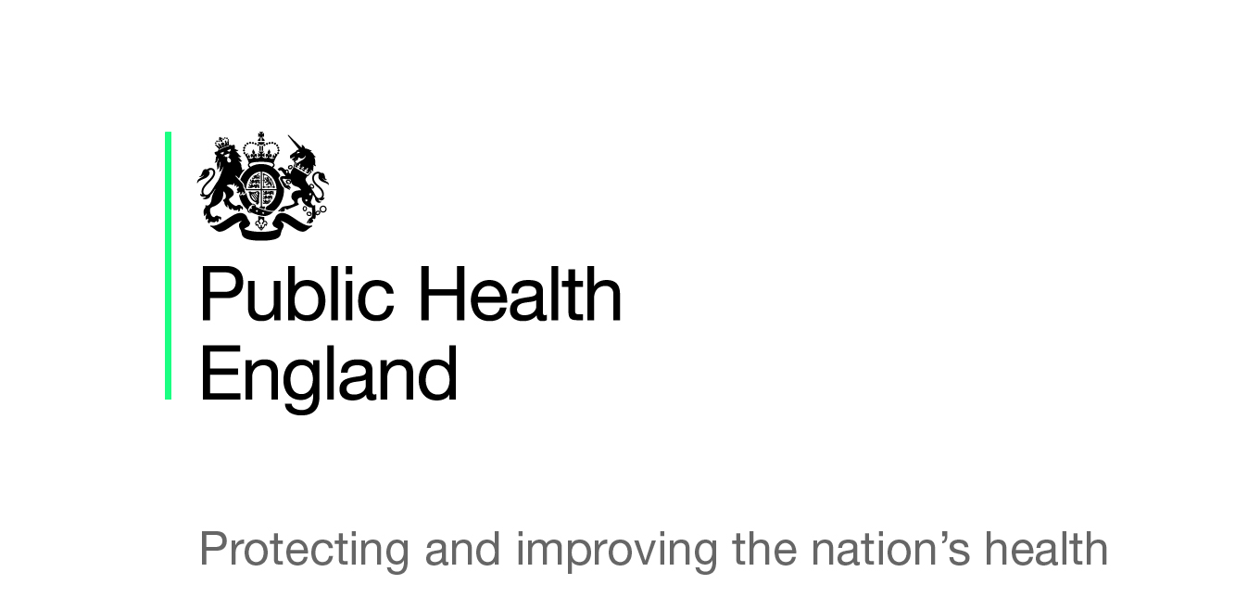

Ad-hoc statistics
Hospital admissions as a result of intentional self-poisoning by young people, 2013/14 to 2017/18

Hospital Episode Statistics, © NHS Digital, 2019

Published 12/07/2019

For further statistics on young people see the Child and Maternal Health Profiles

https://fingertips.phe.org.uk/profile/child-health-profiles

